Architect
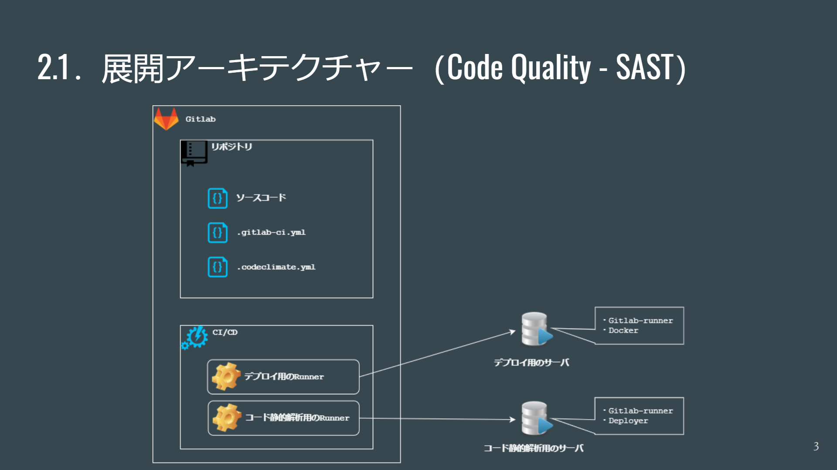

Gitlab Runner(Amazon LinuxCento
1. | Environment
 |  | Amazon Linux 2 /Centos

2. | Install Gitlab Runner

 |  | - Add the official GitLab repository:

 |  |  | # For RHEL/CentOS/Fedora curl -L "https://packages.gitlab.com/install/repositories/runner/gitlab-runner/script.rpm.sh" | sudo bash

 |  | - Install Gitlan Runner

 |  |  | # For RHEL/CentOS/Fedora export GITLAB_RUNNER_DISABLE_SKEL=true; sudo -E yum install gitlab-runner

 |  | - Register a runner

 |  |  | sudo gitlab-runner register Enter the GitLab instance URL (for example, https://gitlab.com/): https://gitlab002.co-well.jp/ Enter the registration token: [TOKEN] Enter a description for the runner: [ip-10-10-1-201.ap-northeast-1.compute.internal]: TaiTH-Test-Runner Enter tags for the runner (comma-separated): TaiTH,Test Registering runner... succeeded runner=Ez6sBNiz Enter an executor: custom, ssh, docker+machine, docker-ssh+machine, kubernetes, docker, docker-ssh, parallels, shell, virtualbox: shell Runner registered successfully. Feel free to start it, but if it's running already the config should be automatically reloaded!

 |  | - Verify the runner

 |  |  | gitlab-runner verify

 |  | - Check runner status

 |  |  | sudo gitlab-runner status Runtime platform arch=amd64 os=linux pid=6940 revision=943fc252 version=13.7.0 gitlab-runner: Service is running!

 |  | - Check runner on Gitlab project's repository

 |  |  | Go to Project → Settings → CI/CD → Expand Runner → Check in "Runners activated for this project" section

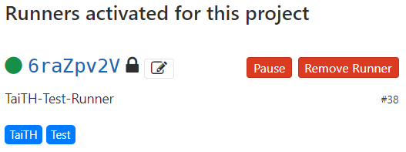

3. | Install expect package

 |  | sudo yum install expect -y

4. | Run the Gitlab Runner

 |  | gitlab-runner run

*** Option: install docker ***

Config Gitlab CI
1. | Configure the runner

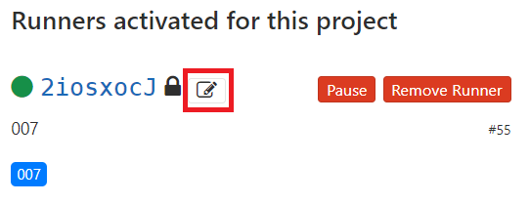

 |  | Check the "Run untagged jobs"
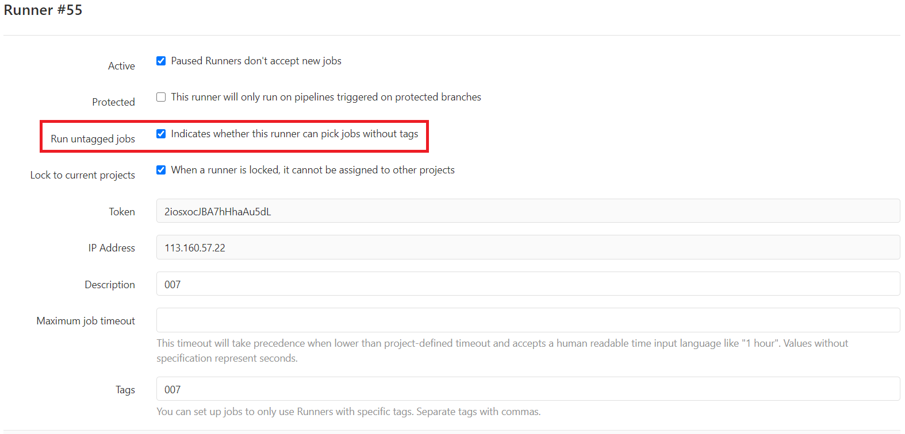

2. | Add ".gitlab-ci.yml" file to the root path of source code

 |  | variables: BRANCH: "$CI_COMMIT_REF_NAME" stages: - deploy deploy-testing: stage: deploy only: - develop before_script: - cd /home/taith/projects/ci-cd-test script: - echo "$BRANCH" - ./auto_deploy.sh "$BRANCH"

